Sheet1
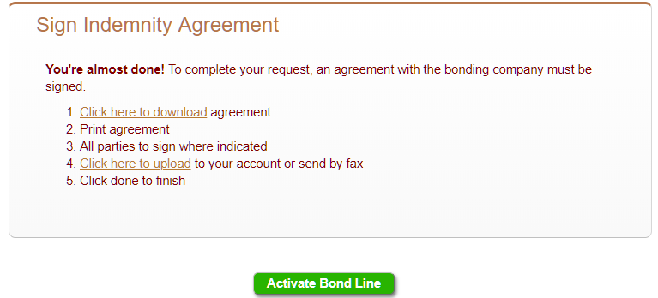
Signing Indemnity |  | Auto Approval |  | Manual
 |  | Wet Ink | Electronic | Wet Ink | Electronic
Contract Bond (Blanket Indemnity) | Bondline Request Only (EasyPath) | N/A | Yes | Yes | Yes
 | Bond with the Bondline (EasyPath) | N/A | Yes (Only Once for Bondline) -------------------------------Set True for "Indemnity on file" for Contract Bond | Yes (Only Once for Bondline) -------------------------------Set True for "Indemnity on file" for Contract Bond | Yes (Only Once for Bondline) -------------------------------Set True for "Indemnity on file" for Contract Bond
 | Contract Bond only (Client with Active Bondline : EasyPath) | N/A | No Set True for "Indemnity on file" for Contract Bond | No Set True for "Indemnity on file" for Contract Bond | No Set True for "Indemnity on file" for Contract Bond
 | Bondline Request Only (Full Path) | N/A | N/A | Yes | Yes
 | Bond with the Bondline (FullPath) | N/A | N/A | Yes (Only Once for Bondline) -------------------------------Set True for "Indemnity on file" for Contract Bond | Yes (Only Once for Bondline) -------------------------------Set True for "Indemnity on file" for Contract Bond
 | Contract Bond only (Client with Active Bondline : Full Path) | N/A | N/A | No Set True for "Indemnity on file" for Contract Bond | No Set True for "Indemnity on file" for Contract Bond
Commercial Bond | For Any LPM Bond | N/A | Yes | Yes | Yes

 | Electronic Sign |  |  |  | Wet Ink

